Sheet1
SKU | Product Title | Featured Image | Product Description | Product Details
CTMW-AX-T | White Hi Gloss Tolix Style Metal Chair | 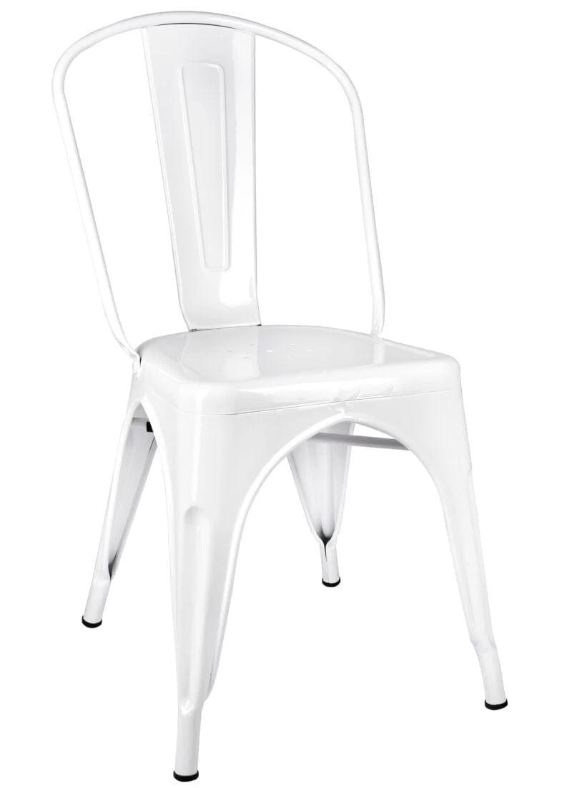 | Our Steelix chairs are rust resistant, lightweight and stackable up to 10 high, making them easy to store and move around. They're weather resistant, durable, and perfect for various settings like restaurants, cafes, or any indoor or outdoor event. Stylish and easy to clean, available in colorful finishes, adding texture to any space. | <h2><strong>Specifications</strong></h2> <table style="border-collapse: collapse; width: 100%;" border="1"><tbody><tr><td>Assembly Options</td><td>Fully Assembled</td></tr><tr><td>Arms</td><td>Without Arms</td></tr><tr><td>Padded Seat</td><td>No</td></tr><tr><td>Stackable</td><td>Stackable</td></tr><tr><td>Weight Capacity</td><td>500 lbs</td></tr><tr><td><strong>Product Colors & Material</strong></td><td> </td></tr><tr><td>Frame Color</td><td>White Hi Gloss</td></tr><tr><td>Seat Color</td><td>White Hi Gloss</td></tr><tr><td>Frame Material</td><td>Steel</td></tr><tr><td>Seat Material</td><td>Metal</td></tr><tr><td><strong>Product Dimensions</strong></td><td> </td></tr><tr><td>Depth</td><td>17.5"</td></tr><tr><td>Width</td><td>17.5"</td></tr><tr><td>Seat Width</td><td>14"</td></tr><tr><td>Height</td><td>33"</td></tr><tr><td>Seat Height</td><td>17.5"</td></tr><tr><td>Weight</td><td>9.48 lbs</td></tr><tr><td><strong>Shipping Dimensions</strong></td><td> </td></tr><tr><td>Shipping Length</td><td>17.00"</td></tr><tr><td>Shipping Width</td><td>17.70"</td></tr><tr><td>Shipping Height</td><td>33.46"</td></tr><tr><td>Shipping Weight</td><td>10.00 lbs</td></tr></tbody></table>
CTMR-AX-T | Red Hi Gloss Tolix Style Metal Chair | 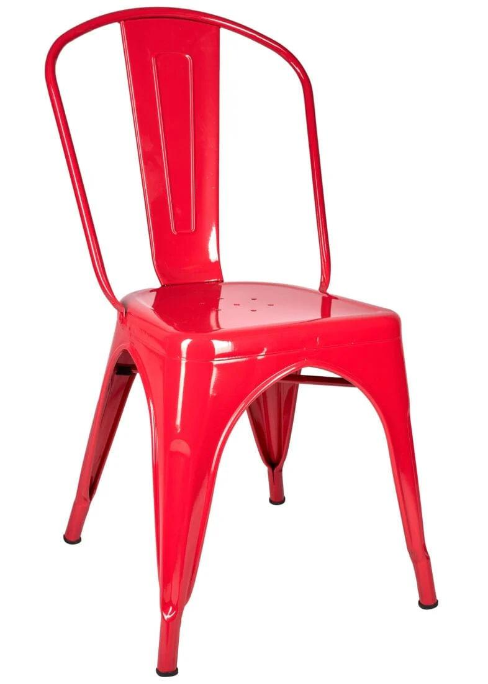 | Our Steelix chairs are rust resistant, lightweight and stackable up to 10 high, making them easy to store and move around. They're weather resistant, durable, and perfect for various settings like restaurants, cafes, or any indoor or outdoor event. Stylish and easy to clean, available in colorful finishes, adding texture to any space. | <h2><strong>Specifications</strong></h2> <table style="border-collapse: collapse; width: 100%;" border="1"><tbody><tr><td>Assembly Options</td><td>Fully Assembled</td></tr><tr><td>Arms</td><td>Without Arms</td></tr><tr><td>Padded Seat</td><td>No</td></tr><tr><td>Stackable</td><td>Stackable</td></tr><tr><td>Weight Capacity</td><td>500 lbs</td></tr><tr><td><strong>Product Colors & Material</strong></td><td> </td></tr><tr><td>Frame Color</td><td>White Hi Gloss</td></tr><tr><td>Seat Color</td><td>White Hi Gloss</td></tr><tr><td>Frame Material</td><td>Steel</td></tr><tr><td>Seat Material</td><td>Metal</td></tr><tr><td><strong>Product Dimensions</strong></td><td> </td></tr><tr><td>Depth</td><td>17.5"</td></tr><tr><td>Width</td><td>17.5"</td></tr><tr><td>Seat Width</td><td>14"</td></tr><tr><td>Height</td><td>33"</td></tr><tr><td>Seat Height</td><td>17.5"</td></tr><tr><td>Weight</td><td>9.48 lbs</td></tr><tr><td><strong>Shipping Dimensions</strong></td><td> </td></tr><tr><td>Shipping Length</td><td>17.00"</td></tr><tr><td>Shipping Width</td><td>17.70"</td></tr><tr><td>Shipping Height</td><td>33.46"</td></tr><tr><td>Shipping Weight</td><td>10.00 lbs</td></tr></tbody></table>
CTMGU-AX-T | GunMetal Gray Hi Gloss Tolix Style Metal Chair |  | Our Steelix chairs are rust resistant, lightweight and stackable up to 10 high, making them easy to store and move around. They're weather resistant, durable, and perfect for various settings like restaurants, cafes, or any indoor or outdoor event. Stylish and easy to clean, available in colorful finishes, adding texture to any space. | <h2><strong>Specifications</strong></h2> <table style="border-collapse: collapse; width: 100%;" border="1"><tbody><tr><td>Assembly Options</td><td>Fully Assembled</td></tr><tr><td>Arms</td><td>Without Arms</td></tr><tr><td>Padded Seat</td><td>No</td></tr><tr><td>Stackable</td><td>Stackable</td></tr><tr><td>Weight Capacity</td><td>500 lbs</td></tr><tr><td><strong>Product Colors & Material</strong></td><td> </td></tr><tr><td>Frame Color</td><td>White Hi Gloss</td></tr><tr><td>Seat Color</td><td>White Hi Gloss</td></tr><tr><td>Frame Material</td><td>Steel</td></tr><tr><td>Seat Material</td><td>Metal</td></tr><tr><td><strong>Product Dimensions</strong></td><td> </td></tr><tr><td>Depth</td><td>17.5"</td></tr><tr><td>Width</td><td>17.5"</td></tr><tr><td>Seat Width</td><td>14"</td></tr><tr><td>Height</td><td>33"</td></tr><tr><td>Seat Height</td><td>17.5"</td></tr><tr><td>Weight</td><td>9.48 lbs</td></tr><tr><td><strong>Shipping Dimensions</strong></td><td> </td></tr><tr><td>Shipping Length</td><td>17.00"</td></tr><tr><td>Shipping Width</td><td>17.70"</td></tr><tr><td>Shipping Height</td><td>33.46"</td></tr><tr><td>Shipping Weight</td><td>10.00 lbs</td></tr></tbody></table>
CTMCH-AX-T | Hammered Gray Tolix Style Metal Chair |  | Our Steelix chairs are rust resistant, lightweight and stackable up to 10 high, making them easy to store and move around. They're weather resistant, durable, and perfect for various settings like restaurants, cafes, or any indoor or outdoor event. Stylish and easy to clean, available in colorful finishes, adding texture to any space. | <h2><strong>Specifications</strong></h2> <table style="border-collapse: collapse; width: 100%;" border="1"><tbody><tr><td>Assembly Options</td><td>Fully Assembled</td></tr><tr><td>Arms</td><td>Without Arms</td></tr><tr><td>Padded Seat</td><td>No</td></tr><tr><td>Stackable</td><td>Stackable</td></tr><tr><td>Weight Capacity</td><td>500 lbs</td></tr><tr><td><strong>Product Colors & Material</strong></td><td> </td></tr><tr><td>Frame Color</td><td>White Hi Gloss</td></tr><tr><td>Seat Color</td><td>White Hi Gloss</td></tr><tr><td>Frame Material</td><td>Steel</td></tr><tr><td>Seat Material</td><td>Metal</td></tr><tr><td><strong>Product Dimensions</strong></td><td> </td></tr><tr><td>Depth</td><td>17.5"</td></tr><tr><td>Width</td><td>17.5"</td></tr><tr><td>Seat Width</td><td>14"</td></tr><tr><td>Height</td><td>33"</td></tr><tr><td>Seat Height</td><td>17.5"</td></tr><tr><td>Weight</td><td>9.48 lbs</td></tr><tr><td><strong>Shipping Dimensions</strong></td><td> </td></tr><tr><td>Shipping Length</td><td>17.00"</td></tr><tr><td>Shipping Width</td><td>17.70"</td></tr><tr><td>Shipping Height</td><td>33.46"</td></tr><tr><td>Shipping Weight</td><td>10.00 lbs</td></tr></tbody></table>
CTMBM-AX-T | Black Semi-Gloss Tolix Style Metal Chair |  | Our Steelix chairs are rust resistant, lightweight and stackable up to 10 high, making them easy to store and move around. They're weather resistant, durable, and perfect for various settings like restaurants, cafes, or any indoor or outdoor event. Stylish and easy to clean, available in colorful finishes, adding texture to any space. | <h2><strong>Specifications</strong></h2> <table style="border-collapse: collapse; width: 100%;" border="1"><tbody><tr><td>Assembly Options</td><td>Fully Assembled</td></tr><tr><td>Arms</td><td>Without Arms</td></tr><tr><td>Padded Seat</td><td>No</td></tr><tr><td>Stackable</td><td>Stackable</td></tr><tr><td>Weight Capacity</td><td>500 lbs</td></tr><tr><td><strong>Product Colors & Material</strong></td><td> </td></tr><tr><td>Frame Color</td><td>White Hi Gloss</td></tr><tr><td>Seat Color</td><td>White Hi Gloss</td></tr><tr><td>Frame Material</td><td>Steel</td></tr><tr><td>Seat Material</td><td>Metal</td></tr><tr><td><strong>Product Dimensions</strong></td><td> </td></tr><tr><td>Depth</td><td>17.5"</td></tr><tr><td>Width</td><td>17.5"</td></tr><tr><td>Seat Width</td><td>14"</td></tr><tr><td>Height</td><td>33"</td></tr><tr><td>Seat Height</td><td>17.5"</td></tr><tr><td>Weight</td><td>9.48 lbs</td></tr><tr><td><strong>Shipping Dimensions</strong></td><td> </td></tr><tr><td>Shipping Length</td><td>17.00"</td></tr><tr><td>Shipping Width</td><td>17.70"</td></tr><tr><td>Shipping Height</td><td>33.46"</td></tr><tr><td>Shipping Weight</td><td>10.00 lbs</td></tr></tbody></table>
CTMBLU-AX-T | Blue Hi Gloss Tolix Style Metal Chair |  | Our Steelix chairs are rust resistant, lightweight and stackable up to 10 high, making them easy to store and move around. They're weather resistant, durable, and perfect for various settings like restaurants, cafes, or any indoor or outdoor event. Stylish and easy to clean, available in colorful finishes, adding texture to any space. | <h2><strong>Specifications</strong></h2> <table style="border-collapse: collapse; width: 100%;" border="1"><tbody><tr><td>Assembly Options</td><td>Fully Assembled</td></tr><tr><td>Arms</td><td>Without Arms</td></tr><tr><td>Padded Seat</td><td>No</td></tr><tr><td>Stackable</td><td>Stackable</td></tr><tr><td>Weight Capacity</td><td>500 lbs</td></tr><tr><td><strong>Product Colors & Material</strong></td><td> </td></tr><tr><td>Frame Color</td><td>White Hi Gloss</td></tr><tr><td>Seat Color</td><td>White Hi Gloss</td></tr><tr><td>Frame Material</td><td>Steel</td></tr><tr><td>Seat Material</td><td>Metal</td></tr><tr><td><strong>Product Dimensions</strong></td><td> </td></tr><tr><td>Depth</td><td>17.5"</td></tr><tr><td>Width</td><td>17.5"</td></tr><tr><td>Seat Width</td><td>14"</td></tr><tr><td>Height</td><td>33"</td></tr><tr><td>Seat Height</td><td>17.5"</td></tr><tr><td>Weight</td><td>9.48 lbs</td></tr><tr><td><strong>Shipping Dimensions</strong></td><td> </td></tr><tr><td>Shipping Length</td><td>17.00"</td></tr><tr><td>Shipping Width</td><td>17.70"</td></tr><tr><td>Shipping Height</td><td>33.46"</td></tr><tr><td>Shipping Weight</td><td>10.00 lbs</td></tr></tbody></table>
CTMB-AX-T | Black Hi Gloss Tolix Style Metal Chair |  | Our Steelix chairs are rust resistant, lightweight and stackable up to 10 high, making them easy to store and move around. They're weather resistant, durable, and perfect for various settings like restaurants, cafes, or any indoor or outdoor event. Stylish and easy to clean, available in colorful finishes, adding texture to any space. | <h2><strong>Specifications</strong></h2> <table style="border-collapse: collapse; width: 100%;" border="1"><tbody><tr><td>Assembly Options</td><td>Fully Assembled</td></tr><tr><td>Arms</td><td>Without Arms</td></tr><tr><td>Padded Seat</td><td>No</td></tr><tr><td>Stackable</td><td>Stackable</td></tr><tr><td>Weight Capacity</td><td>500 lbs</td></tr><tr><td><strong>Product Colors & Material</strong></td><td> </td></tr><tr><td>Frame Color</td><td>White Hi Gloss</td></tr><tr><td>Seat Color</td><td>White Hi Gloss</td></tr><tr><td>Frame Material</td><td>Steel</td></tr><tr><td>Seat Material</td><td>Metal</td></tr><tr><td><strong>Product Dimensions</strong></td><td> </td></tr><tr><td>Depth</td><td>17.5"</td></tr><tr><td>Width</td><td>17.5"</td></tr><tr><td>Seat Width</td><td>14"</td></tr><tr><td>Height</td><td>33"</td></tr><tr><td>Seat Height</td><td>17.5"</td></tr><tr><td>Weight</td><td>9.48 lbs</td></tr><tr><td><strong>Shipping Dimensions</strong></td><td> </td></tr><tr><td>Shipping Length</td><td>17.00"</td></tr><tr><td>Shipping Width</td><td>17.70"</td></tr><tr><td>Shipping Height</td><td>33.46"</td></tr><tr><td>Shipping Weight</td><td>10.00 lbs</td></tr></tbody></table>

